Intro
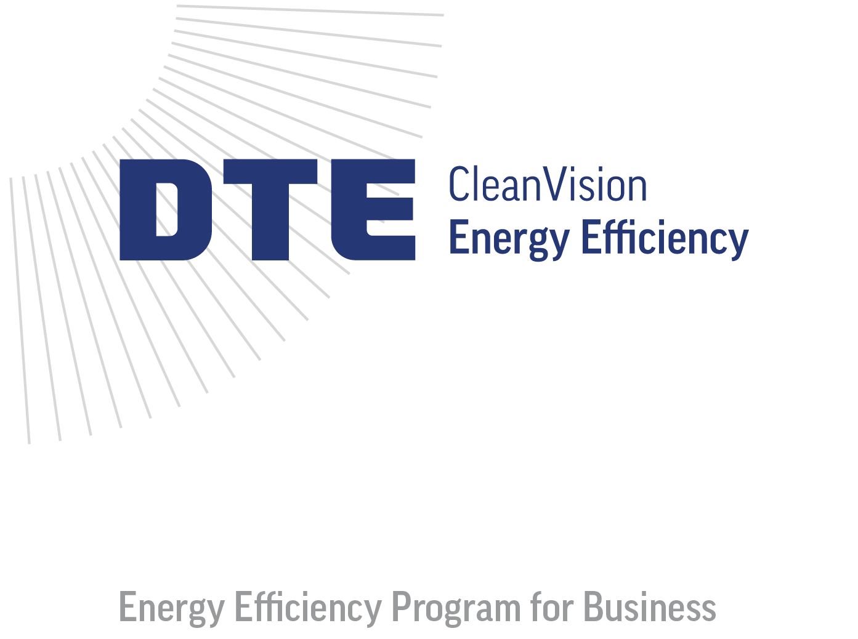


2026 Quick Rebate Calculator

The DTE Small and Medium Business Program offers businesses like yours rebates for new energy-efficient improvements, including lighting, HVAC, process improvements, and more. This guide serves as a tool to estimate potential rebates. Please note that this calculator is not a substitute for a formal application.

Apply online at: dteenergy.com/business/application

web: www.michiganee.com
email: contractors@michiganee.com
phone: 855.748.2525
address: P.O. Box 11289, Detroit, MI 48211
2026-01-13

